Outcomes Based on Launch Date
Category | (All)
Launch year | (All)
Theater Outcomes Based on Launch Date
 | canceled | failed | live | successful
Jan | 34 | 149 | 2 | 182
Feb | 27 | 106 | 18 | 202
Mar | 28 | 108 | 30 | 180
Apr | 27 | 102 |  | 192
May | 26 | 126 |  | 234
Jun | 27 | 147 |  | 211
Jul | 43 | 150 |  | 194
Aug | 33 | 134 |  | 166
Sep | 24 | 127 |  | 147
Oct | 20 | 149 |  | 183
Nov | 37 | 114 |  | 183
Dec | 23 | 118 |  | 111
Count of outcomes | Column Labels
Row Labels | canceled | failed | live | successful | Grand Total
Jan | 34 | 149 | 2 | 182 | 367
Feb | 27 | 106 | 18 | 202 | 353
Mar | 28 | 108 | 30 | 180 | 346
Apr | 27 | 102 |  | 192 | 321
May | 26 | 126 |  | 234 | 386
Jun | 27 | 147 |  | 211 | 385
Jul | 43 | 150 |  | 194 | 387
Aug | 33 | 134 |  | 166 | 333
Sep | 24 | 127 |  | 147 | 298
Oct | 20 | 149 |  | 183 | 352
Nov | 37 | 114 |  | 183 | 334
Dec | 23 | 118 |  | 111 | 252
Grand Total | 349 | 1530 | 50 | 2185 | 4114

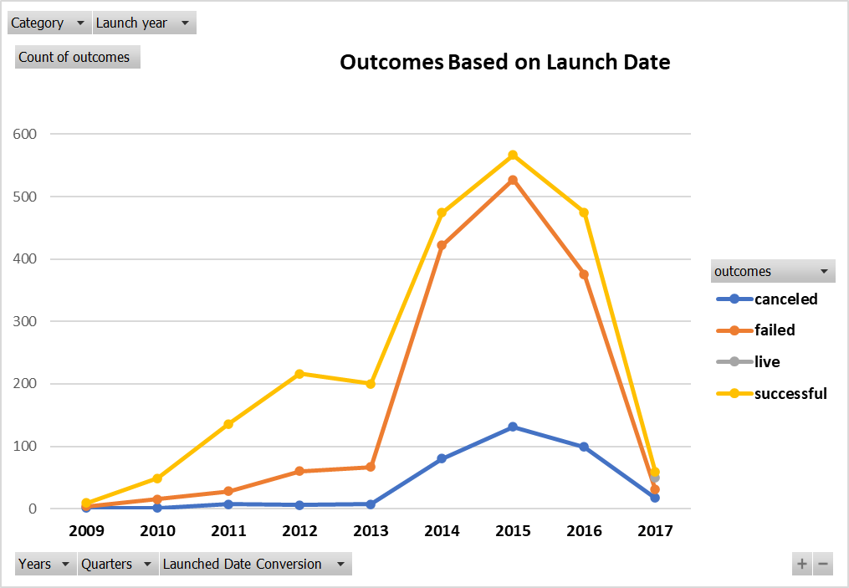

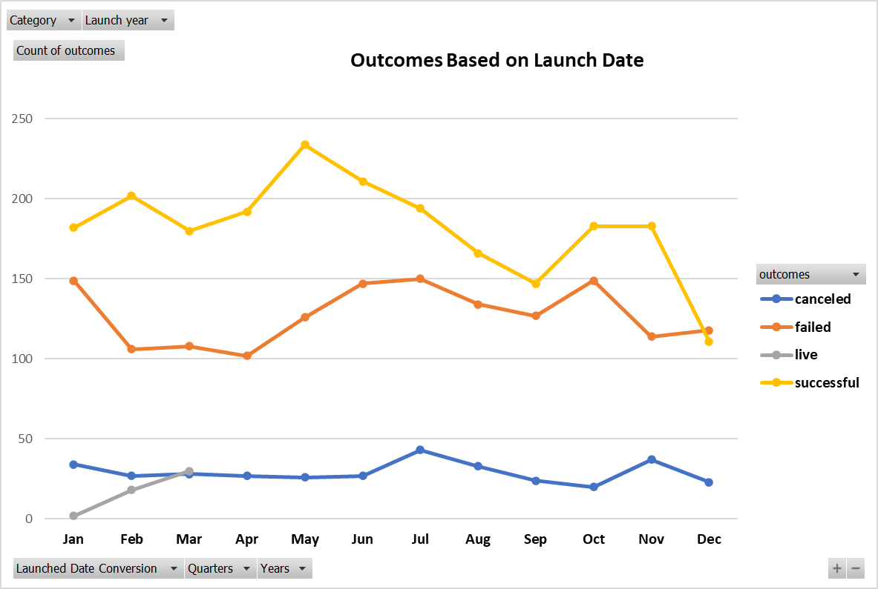

Theater Outcomes Based on Launch Date
 | canceled | failed | live | successful
Jan | 34 | 149 | 2 | 182
Feb | 27 | 106 | 18 | 202
Mar | 28 | 108 | 30 | 180
Apr | 27 | 102 |  | 192
May | 26 | 126 |  | 234
Jun | 27 | 147 |  | 211
Jul | 43 | 150 |  | 194
Aug | 33 | 134 |  | 166
Sep | 24 | 127 |  | 147
Oct | 20 | 149 |  | 183
Nov | 37 | 114 |  | 183
Dec | 23 | 118 |  | 111

Pledged Outcomes by Subcategory
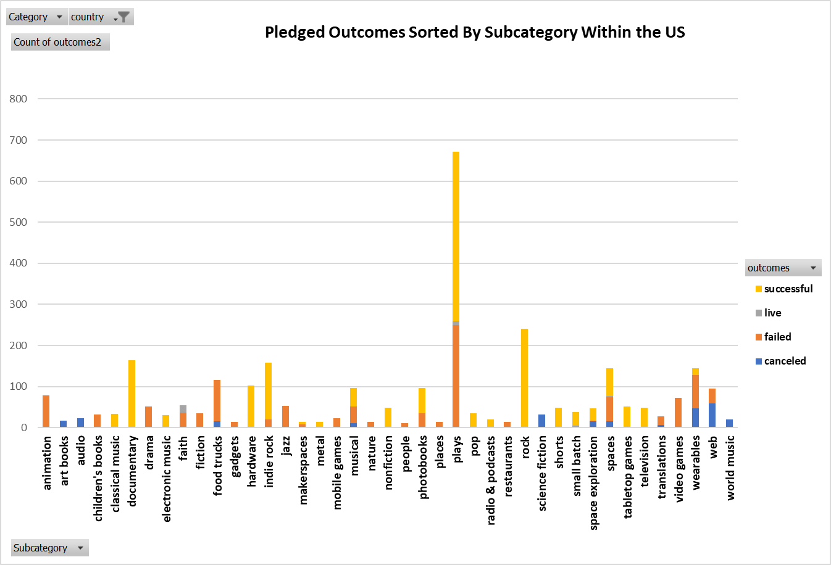
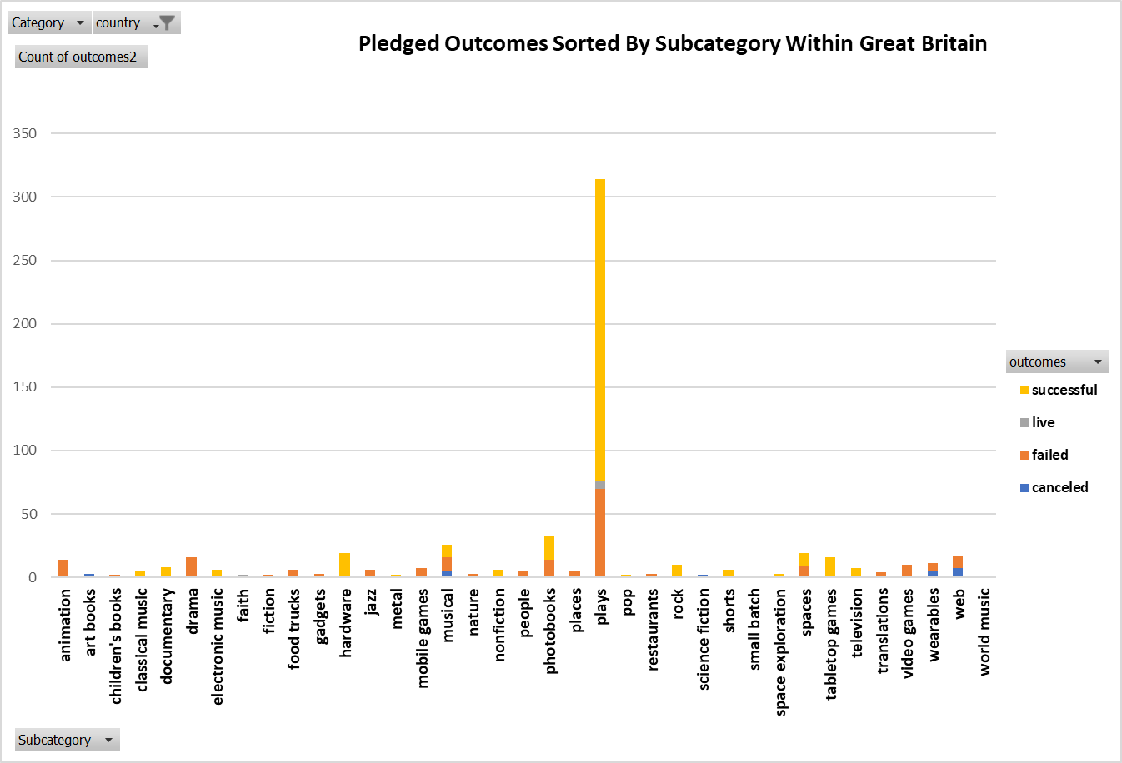
Category | (All)
country | GB
Pledged Outcomes Sorted By Subcategory Within Great Britain
 | canceled | failed | live | successful
animation |  | 14
art books | 3
children's books |  | 2
classical music |  |  |  | 5
documentary |  |  |  | 8
drama |  | 16
electronic music |  |  |  | 6
faith |  | 1 | 1
fiction |  | 2
food trucks | 1 | 5
gadgets |  | 3
hardware |  |  |  | 19
jazz |  | 6
metal |  |  |  | 2
mobile games |  | 7
musical | 5 | 11 |  | 10
nature |  | 3
nonfiction |  |  |  | 6
people |  | 5
photobooks |  | 14 |  | 18
places |  | 5
plays |  | 70 | 6 | 238
pop |  |  |  | 2
restaurants |  | 3
rock |  |  |  | 10
science fiction | 2
shorts |  |  |  | 6
small batch |  |  | 1
space exploration |  |  |  | 3
spaces | 1 | 8 |  | 10
tabletop games |  |  |  | 16
television |  |  |  | 7
translations |  | 4
video games |  | 10
wearables | 5 | 6
web | 7 | 10
world music | 1
Count of outcomes2 | Column Labels
Row Labels | canceled | failed | live | successful | Grand Total
animation |  | 14 |  |  | 14
art books | 3 |  |  |  | 3
children's books |  | 2 |  |  | 2
classical music |  |  |  | 5 | 5
documentary |  |  |  | 8 | 8
drama |  | 16 |  |  | 16
electronic music |  |  |  | 6 | 6
faith |  | 1 | 1 |  | 2
fiction |  | 2 |  |  | 2
food trucks | 1 | 5 |  |  | 6
gadgets |  | 3 |  |  | 3
hardware |  |  |  | 19 | 19
jazz |  | 6 |  |  | 6
metal |  |  |  | 2 | 2
mobile games |  | 7 |  |  | 7
musical | 5 | 11 |  | 10 | 26
nature |  | 3 |  |  | 3
nonfiction |  |  |  | 6 | 6
people |  | 5 |  |  | 5
photobooks |  | 14 |  | 18 | 32
places |  | 5 |  |  | 5
plays |  | 70 | 6 | 238 | 314
pop |  |  |  | 2 | 2
restaurants |  | 3 |  |  | 3
rock |  |  |  | 10 | 10
science fiction | 2 |  |  |  | 2
shorts |  |  |  | 6 | 6
small batch |  |  | 1 |  | 1
space exploration |  |  |  | 3 | 3
spaces | 1 | 8 |  | 10 | 19
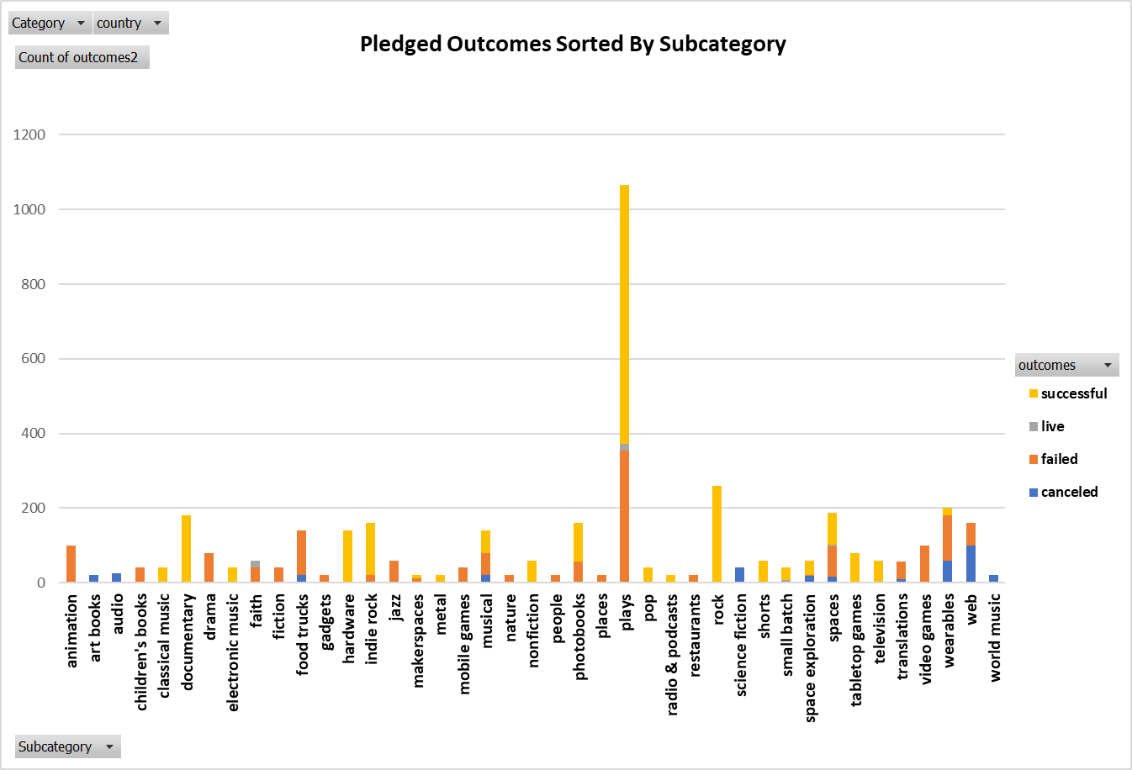
tabletop games |  |  |  | 16 | 16
television |  |  |  | 7 | 7
translations |  | 4 |  |  | 4
video games |  | 10 |  |  | 10
wearables | 5 | 6 |  |  | 11
web | 7 | 10 |  |  | 17
world music | 1 |  |  |  | 1
Grand Total | 25 | 205 | 8 | 366 | 604

